INVOICE
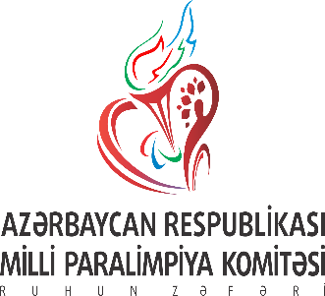 AZERBAIJAN PARALYMPIC COMMITTEE

IBSA JUDO GRAND PRIX BAKU 2021
20-27 of MAY 2021 BAKU, AZERBAIJAN
INVOICE № |  |  | Date
COUNTRY

ADDRESS
Please only complete number of requested nights, rooms and number of athletes to calculate IBSA fee. Return this invoice to the LOC mursalovrauf@outlook.com to confirm your entry.
Check-in Date:
Check-out Date:
Hotel name |  | please enter number of nights and requested rooms
 |  | Nights | Single | Twin | Total
Baku Marriott Hotel Boulevard |  | 0 | 0 | 0 | 0.00 €
 | Number of athletes
IBSA fee | 0 |  |  |  | 0.00 €
 | Number of delegation
COVID PCR test | 0 | 80.00 € |  |  | 0.00 €
Total |  |  |  |  | 0.00 €
Please transfer the amount to the following bank account and identify your payment by stating the name of your country or federation on the bank documents. Payment in advance for board and lodging, trasportation and IBSA Competition fee

PAYMENT

Name of Beneficiary customer: National Paralimpic Committee of Azerbaijan Account No. of Beneficiary customer: AZ18UBAZ01000128238190EUR001 Address of Beneficiary customer: AZ1009,BAKU CITY,VIDADI STR, 64 Account with Institution or Beneficiary Bank: UNIBANK CB BUSINESS CENTER BRANCH SWIFT address: UBAZAZ22 (Baku, AZ, Azerbaijan) Correspondent No. account: 55.024.541 Correspondent bank: Raiffeisen Bank International AG, Vienna, Austria S.W.I.F.T.: RZBAATWW

